State Transition Diagram
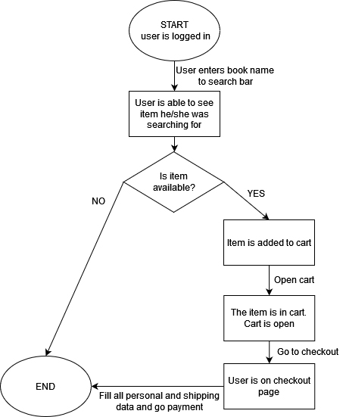
ACTION | COMMENT | STATUS
Search for a item by name | Name: Ride Accent Chair | -
Add an item to the cart if it is available |  | -
Add an item to the cart if it is not available |  | -
Verify that the item has been added to the cart |  | -
Place an order by filling in Shipping Address, Payment Info | Full name: John Ceena; country: USA; city: Omaewa; state: Guam; ZIP: 61089; ph. number: +380507710329; card number: 4441114420098855; date: 09/26; CVV: 228 | -

Use Case Diagram
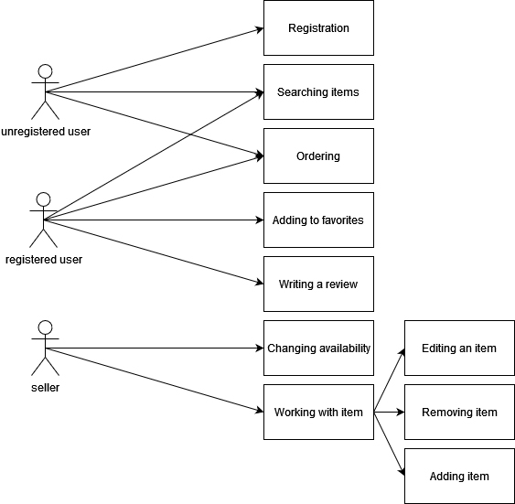 | ACTION | COMMENT | STATUS
 | Unregistered user
 | Verify the possibility of ordering an item |  | -
 | Verify the possibility of searching an item |  | -
 | Verify the possibility of registration |  | -
 | Verify the impossibility of adding item to favorites |  | -
 | Verify the impossibility of writing a review |  | -
 | Verify the impossibility of changing availability |  | -
 | Verify the impossibility of working with item |  | -
 | Registered user
 | Verify the impossibility of registration |  | -
 | Verify the possibility of ordering an item |  | -
 | Verify the possibility of searching an item |  | -
 | Verify the possibility of adding item to favorites |  | -
 | Verify the possibility of writing a review |  | -
 | Verify the impossibility of changing availability |  | -
 | Verify the impossibility of working with item |  | -
 | Seller
 | Verify the impossibility of registration |  | -
 | Verify the impossibility of ordering an item |  | -
 | Verify the impossibility of searching an item |  | -
 | Verify the impossibility of adding item to favorites |  | -
 | Verify the impossibility of writing a review |  | -
 | Verify the possibility of changing availability |  | -
 | Verify the possibility of working with item |  | -

